Risk Assesment (2)
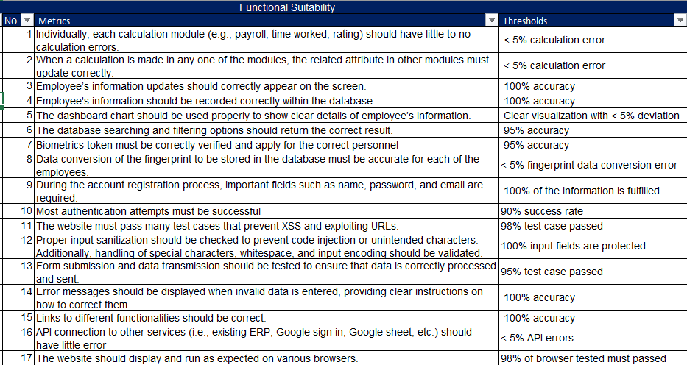
 |  | Severity
 |  | Negligible | Minor | Moderate | Significant | Severe
Likelihood | Very Likely |  | 9, 14 | 3
 | Likely |  | 1, 15 | 6 | 16 | 7, 12
 | Possible | 17 | 5 | 13 | 2, 10 | 11
 | Unlikely |  | 8 |  |  | 4
 | Very Unlikely

 |  | Prioritise those with the Significant and Severe severity and likelihood first (Urgent category)
 |  | Then those of moderate Severity
 |  | As we do not want to remove any of the quality, we would not consider the negligible part, and we will use Minor as our milestone

 |  | Trello Board | https://trello.com/b/hsEbOfvT/swe30010-quality-review-plan

